Run of Show
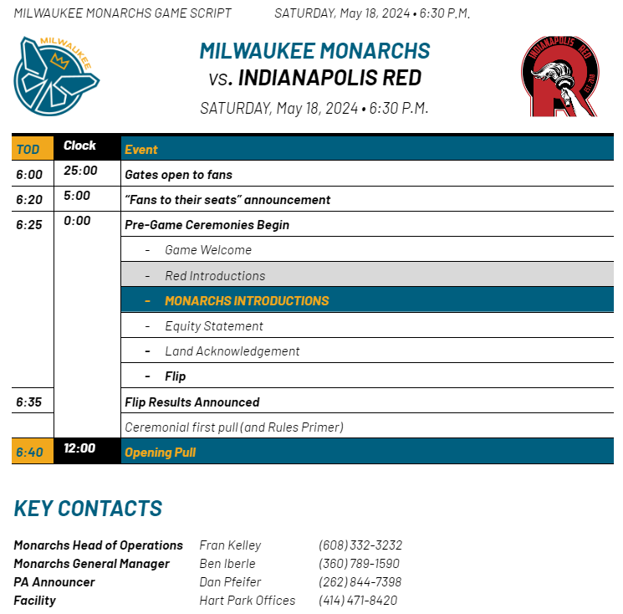
Run of Show |  |  |  | RUN OF SHOW EXAMPLE
Completed by home team. Due Sunday prior to match.
Time Stamp | Duration | Event | Responsible Party | Announcement Script (If Applicable)
 |  | Monarchs Script 2024_05_18.docx

